records
Sample Measurement Record
Mano Engineering LLC |  |  |  |  |  | Part No. X17040924
No. | A | B | C | D | E
1 | 0.411 | 0.668 | 0.9165 | 0.4355 | 0.194
2 | 0.411 | 0.665 | 0.914 | 0.436 | 0.194
3 | 0.411 | 0.668 | 0.9165 | 0.438 | 0.194
4 | 0.411 | 0.665 | 0.914 | 0.4395 | 0.1945
5 | 0.413 | 0.67 | 0.9155 | 0.4415 | 0.1945

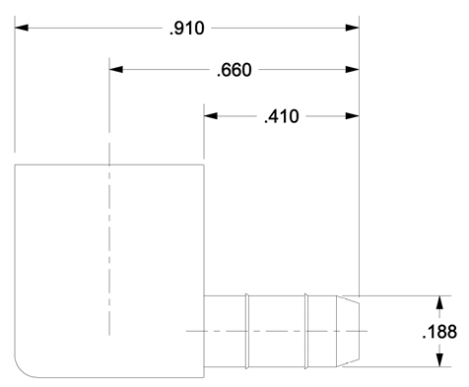
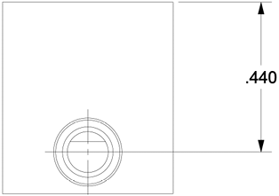
C
B
D
A

E

